Forgot
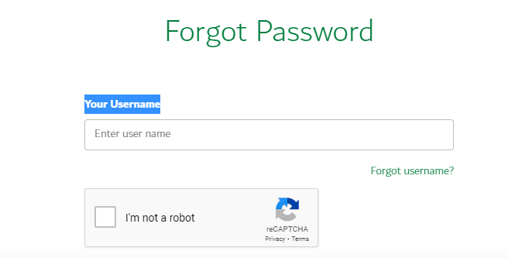
Heading | Forgot User name

Text | Email (example@domain.com)
Enter data |  | Send Email

Heading | For got Password

Text | Your Username
Enter dat
Buittons | Next | Cancle

